Sheet1
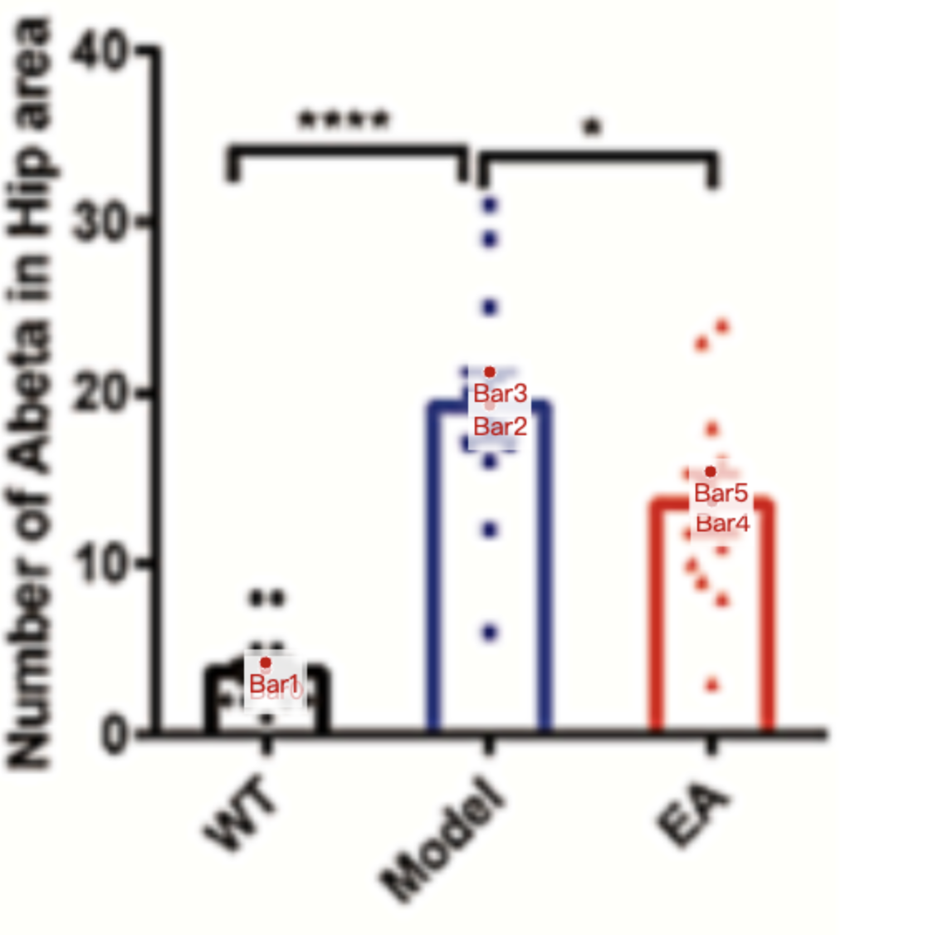
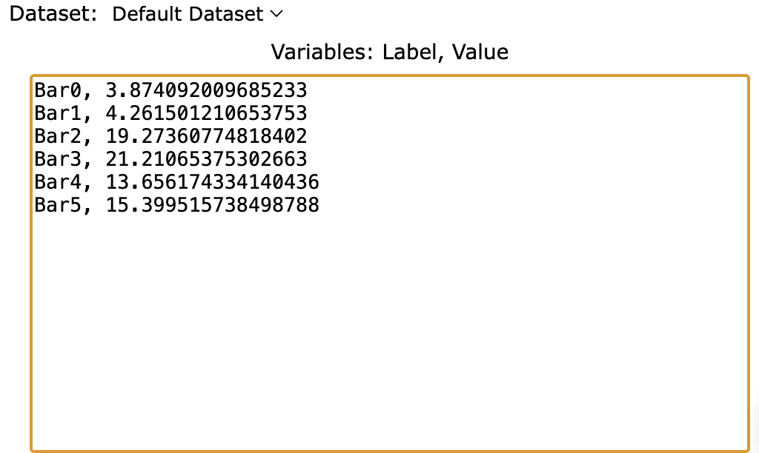
Treatment Groups | WT_Ab_protein | Model_Ab_protein | EA_Ab_protein
mean | 3.8740920097 | 19.273607748 | 13.656174334
sem | 0.387409201 | 1.937046005 | 1.743341404
mean+sem | 4.2615012107 | 21.210653753 | 15.399515738
sd (sem * sqrt(8)) | 1.024988401 | 5.124942007 | 4.930914116

